pregunta 1 b
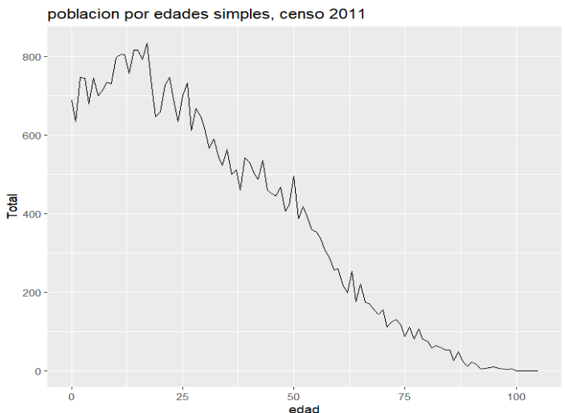
datos de la poblacion nueva

edad | datos.p
0 | 669
1 | 683
2 | 696
3 | 709
4 | 721
5 | 733
6 | 743
7 | 753
8 | 762
9 | 769
10 | 777
11 | 787
12 | 792
13 | 792
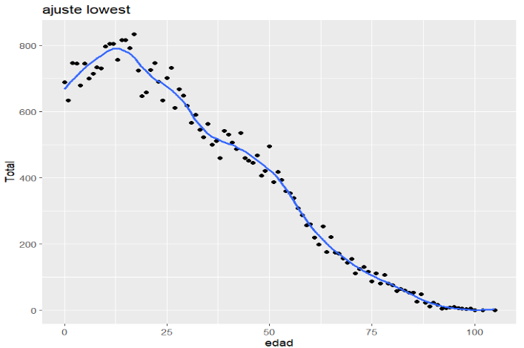
14 | 788
15 | 783
16 | 776
17 | 765
18 | 748
19 | 735
20 | 723
21 | 711
22 | 700
23 | 692
24 | 686
25 | 678
26 | 668
27 | 657
28 | 645
29 | 632
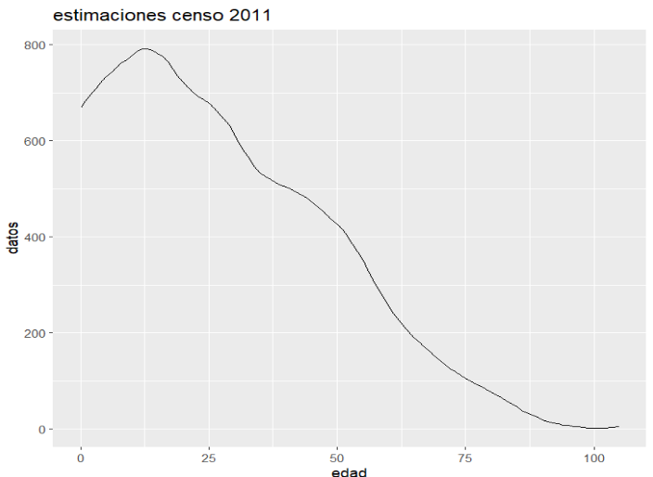
30 | 614
31 | 593
32 | 576
33 | 561
34 | 546
35 | 533
36 | 525
37 | 520
38 | 514
39 | 508
40 | 504
41 | 500
42 | 494
43 | 487
44 | 481
45 | 473
46 | 464
47 | 455
48 | 445
49 | 435
50 | 426
51 | 415
52 | 401
53 | 385
54 | 368
55 | 351
56 | 332
57 | 310
58 | 290
59 | 273
60 | 256
61 | 240
62 | 226
63 | 213
64 | 201
65 | 190
66 | 180
67 | 171
68 | 162
69 | 152
70 | 142
71 | 134
72 | 126
73 | 119
74 | 112
75 | 106
76 | 100
77 | 94
78 | 88
79 | 82
80 | 77
81 | 71
82 | 65
83 | 58
84 | 52
85 | 46
86 | 39
87 | 34
88 | 29
89 | 24
90 | 19
91 | 16
92 | 13
93 | 11
94 | 8
95 | 7
96 | 5
97 | 4
98 | 3
99 | 2
100 | 2
102 | 2
105 | 4
total | 39237

pregunta 1 c
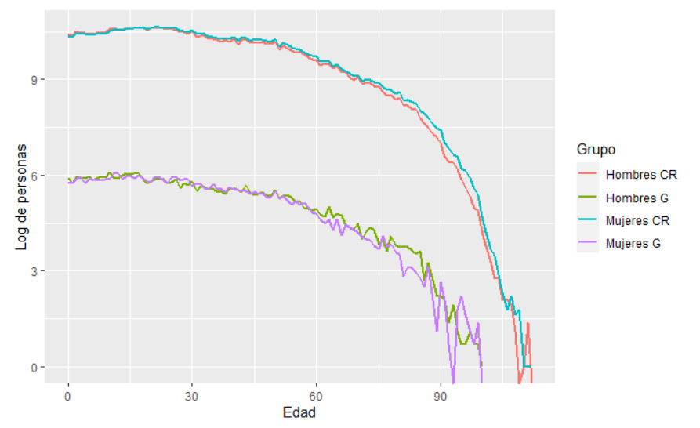
Edad | HombreCR | MujerCR | HombreG | MujerG
0 | 33589 | 32094 | 365 | 325
1 | 31754 | 30657 | 315 | 319
2 | 36816 | 35291 | 388 | 360
3 | 35363 | 34127 | 362 | 384
4 | 35421 | 33605 | 369 | 310
5 | 33917 | 33067 | 385 | 361
6 | 33890 | 32981 | 343 | 357
7 | 35069 | 34085 | 365 | 350
8 | 35369 | 33952 | 388 | 346
9 | 35750 | 33977 | 375 | 356
10 | 39234 | 37745 | 439 | 359
11 | 39352 | 37953 | 380 | 425
12 | 39001 | 38017 | 368 | 437
13 | 37856 | 38170 | 401 | 356
14 | 40237 | 39491 | 422 | 395
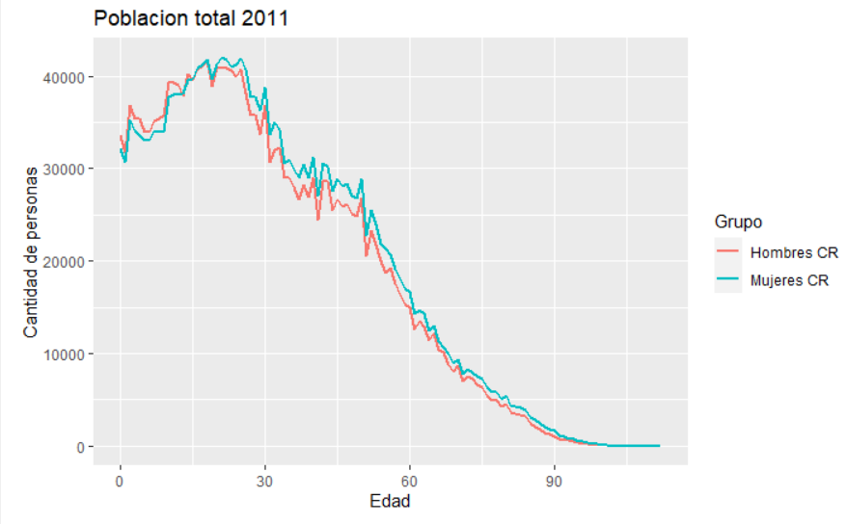
15 | 39581 | 39710 | 415 | 401
16 | 40722 | 40805 | 422 | 370
17 | 41136 | 41199 | 433 | 402
18 | 41595 | 41795 | 361 | 364
19 | 38900 | 39733 | 318 | 330
20 | 40992 | 41218 | 331 | 327
21 | 40907 | 41992 | 353 | 374
22 | 40880 | 41749 | 370 | 378
23 | 40547 | 40957 | 351 | 340
24 | 39954 | 41284 | 315 | 319
25 | 40660 | 41921 | 327 | 375
26 | 38157 | 40712 | 351 | 382
27 | 35711 | 37724 | 270 | 342
28 | 35762 | 37688 | 318 | 351
29 | 33756 | 36333 | 295 | 354
30 | 36832 | 38782 | 331 | 287
31 | 30663 | 33657 | 249 | 318
32 | 31956 | 34982 | 285 | 306
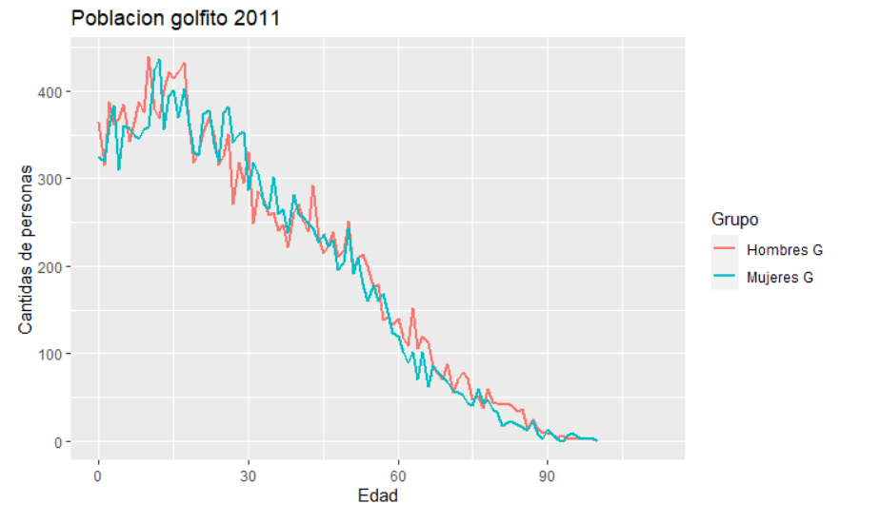
33 | 32196 | 34192 | 275 | 271
34 | 29031 | 30606 | 258 | 265
35 | 28945 | 30995 | 261 | 302
36 | 28014 | 29936 | 241 | 260
37 | 26648 | 28952 | 247 | 265
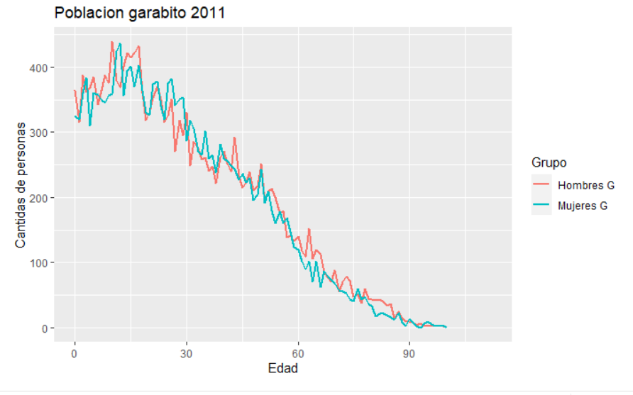
38 | 28189 | 30450 | 222 | 238
39 | 26922 | 29020 | 261 | 282
40 | 29053 | 31204 | 271 | 260
41 | 24447 | 26991 | 252 | 255
42 | 28646 | 30603 | 239 | 249
43 | 28653 | 30239 | 293 | 243
44 | 25545 | 27533 | 233 | 227
45 | 26719 | 28884 | 215 | 237
46 | 25861 | 28049 | 223 | 223
47 | 26142 | 28315 | 239 | 230
48 | 25061 | 27091 | 211 | 196
49 | 24777 | 26848 | 217 | 204
50 | 26844 | 28886 | 252 | 244
51 | 20531 | 22743 | 195 | 192
52 | 23274 | 25543 | 209 | 209
53 | 21679 | 23921 | 214 | 180
54 | 19980 | 21855 | 200 | 160
55 | 18775 | 21391 | 175 | 178
56 | 19228 | 20723 | 180 | 160
57 | 17607 | 19124 | 139 | 169
58 | 16388 | 18019 | 141 | 147
59 | 15317 | 17009 | 133 | 124
60 | 14973 | 16619 | 140 | 120
61 | 12557 | 14238 | 118 | 102
62 | 13558 | 14651 | 109 | 90
63 | 12874 | 14238 | 152 | 102
64 | 11470 | 12446 | 106 | 71
65 | 12236 | 13048 | 120 | 102
66 | 10348 | 11355 | 113 | 62
67 | 10085 | 10595 | 84 | 87
68 | 8877 | 9961 | 78 | 79
69 | 8091 | 8932 | 71 | 73
70 | 8657 | 9390 | 88 | 68
71 | 6963 | 7775 | 55 | 57
72 | 7588 | 8304 | 70 | 55
73 | 7297 | 7906 | 79 | 53
74 | 6612 | 7562 | 72 | 44
75 | 6417 | 7327 | 47 | 40
76 | 5451 | 6393 | 52 | 60
77 | 4885 | 5865 | 38 | 43
78 | 4986 | 5796 | 60 | 47
79 | 4299 | 5119 | 45 | 36
80 | 4535 | 5498 | 43 | 33
81 | 3581 | 4221 | 42 | 17
82 | 3551 | 4330 | 43 | 22
83 | 3300 | 4103 | 39 | 22
84 | 3210 | 3825 | 34 | 19
85 | 2401 | 3054 | 37 | 16
86 | 2069 | 2835 | 15 | 12
87 | 1817 | 2497 | 26 | 23
88 | 1450 | 2025 | 15 | 8
89 | 1331 | 1784 | 9 | 3
90 | 1072 | 1658 | 9 | 14
91 | 715 | 1119 | 8 | 8
92 | 615 | 958 | 4 | 2
93 | 593 | 779 | 7 | 0
94 | 478 | 732 | 3 | 6
95 | 360 | 495 | 2 | 9
96 | 275 | 474 | 2 | 5
97 | 204 | 372 | 3 | 3
98 | 144 | 271 | 2 | 2
99 | 134 | 218 | 2 | 4
100 | 69 | 109 | 1 | 0
101 | 44 | 68
102 | 27 | 40 | 0 | 1
103 | 16 | 32
104 | 16 | 18
105 | 8 | 10 | 0 | 1
106 | 8 | 6
107 | 7 | 9
108 | 3 | 5
109 | 0 | 6
110 | 1 | 1
111 | 4 | 1
112 | 0 | 1

piramides CR
Costa Rica 1963
 | hombres | mujeres
0-4 | -9.367487358 | 9.2438938
5-9 | -8.1601893092 | 8.1074359612
9-14 | -6.3477349973 | 6.3582856669
15-19 | -4.6664104361 | 4.8073372371
20-24 | -3.8660667857 | 4.1878622083
25-29 | -3.1320416299 | 3.2300121333
20-34 | -2.8539561243 | 2.9519266276
35-39 | -2.4748856383 | 2.5140738396
40-44 | -1.9767433097 | 1.9541347321
45-49 | -1.6790637034 | 1.7679907757
50-54 | -1.6557015065 | 1.5110066092
55-59 | -0.96086455201 | 0.99176294153
60-64 | -0.9714152216 | 0.97216884086
65-69 | -0.60666350147 | 0.581794066
70-74 | -0.48231632415 | 0.39414287114
75-79 | -0.28562169821 | 0.25773778572
80-84 | -0.15976728237 | 0.16654985568
85-89 | -0.07913002193 | 0.09194154929
90-94 | -0.021854958438 | 0.030898389516
+95 | -0.069332971596 | 0.061796779031
 | 1: hombre | 2: mujer | Total
0-4 | 124300 | 122660 | 246960 | -9.367487358 | -9.2438938
5-9 | 108280 | 107580 | 215860 | -8.1601893092 | -8.1074359612
9-14 | 84230 | 84370 | 168600 | -6.3477349973 | -6.3582856669
15-19 | 61920 | 63790 | 125710 | -4.6664104361 | -4.8073372371
20-24 | 51300 | 55570 | 106870 | -3.8660667857 | -4.1878622083
25-29 | 41560 | 42860 | 84420 | -3.1320416299 | -3.2300121333
20-34 | 37870 | 39170 | 77040 | -2.8539561243 | -2.9519266276
35-39 | 32840 | 33360 | 66200 | -2.4748856383 | -2.5140738396
40-44 | 26230 | 25930 | 52160 | -1.9767433097 | -1.9541347321
45-49 | 22280 | 23460 | 45740 | -1.6790637034 | -1.7679907757
50-54 | 21970 | 20050 | 42020 | -1.6557015065 | -1.5110066092
55-59 | 12750 | 13160 | 25910 | -0.96086455201 | -0.99176294153
60-64 | 12890 | 12900 | 25790 | -0.9714152216 | -0.97216884086
65-69 | 8050 | 7720 | 15770 | -0.60666350147 | -0.581794066
70-74 | 6400 | 5230 | 11630 | -0.48231632415 | -0.39414287114
75-79 | 3790 | 3420 | 7210 | -0.28562169821 | -0.25773778572
80-84 | 2120 | 2210 | 4330 | -0.15976728237 | -0.16654985568
85-89 | 1050 | 1220 | 2270 | -0.07913002193 | -0.09194154929
90-94 | 290 | 410 | 700 | -0.021854958438 | -0.030898389516
+95 | 920 | 820 | 1740 | -0.069332971596 | -0.061796779031
Total | 661040 | 665890 | 1326930

Costa Rica 2022
 | hombres | mujeres
0-4 | -0.027327747681 | 0.026065865047
5-9 | -0.028506334797 | 0.027204434743
9-14 | -0.028505890159 | 0.027078453978
15-19 | -0.028238218085 | 0.026844870817
20-24 | -0.031009053866 | 0.029764660326
25-29 | -0.033447004 | 0.03158649041
20-34 | -0.034297003636 | 0.032189864171
35-39 | -0.033122566475 | 0.031578486926
40-44 | -0.028138915599 | 0.027722289797
45-49 | -0.023052108708 | 0.023201062437
50-54 | -0.020718055653 | 0.021561237506
55-59 | -0.020149363655 | 0.021100592542
60-64 | -0.017589730923 | 0.018410236239
65-69 | -0.01356486778 | 0.014433690425
70-74 | -0.0090818792882 | 0.009877188451
75-79 | -0.0058358737021 | 0.0066125080691
80-84 | -0.0035504344009 | 0.0042965369588
85-89 | -0.0018756312813 | 0.0025040529828
90-94 | -0.0008090929407 | 0.0011851084729
95-99 | -0.00020912807095 | 0.00035719252374
+ 100
 | 1: Masculino | 2: Femenino | Total
0-4 | 184382 | 175868 | 360250 | -0.027327747681 | -0.026065865047
5-9 | 192334 | 183550 | 375884 | -0.028506334797 | -0.027204434743
9-14 | 192331 | 182700 | 375031 | -0.028505890159 | -0.027078453978
15-19 | 190525 | 181124 | 371649 | -0.028238218085 | -0.026844870817
20-24 | 209220 | 200824 | 410044 | -0.031009053866 | -0.029764660326
25-29 | 225669 | 213116 | 438785 | -0.033447004 | -0.03158649041
20-34 | 231404 | 217187 | 448591 | -0.034297003636 | -0.032189864171
35-39 | 223480 | 213062 | 436542 | -0.033122566475 | -0.031578486926
40-44 | 189855 | 187044 | 376899 | -0.028138915599 | -0.027722289797
45-49 | 155534 | 156539 | 312073 | -0.023052108708 | -0.023201062437
50-54 | 139786 | 145475 | 285261 | -0.020718055653 | -0.021561237506
55-59 | 135949 | 142367 | 278316 | -0.020149363655 | -0.021100592542
60-64 | 118679 | 124215 | 242894 | -0.017589730923 | -0.018410236239
65-69 | 91523 | 97385 | 188908 | -0.01356486778 | -0.014433690425
70-74 | 61276 | 66642 | 127918 | -0.0090818792882 | -0.009877188451
75-79 | 39375 | 44615 | 83990 | -0.0058358737021 | -0.0066125080691
80-84 | 23955 | 28989 | 52944 | -0.0035504344009 | -0.0042965369588
85-89 | 12655 | 16895 | 29550 | -0.0018756312813 | -0.0025040529828
90-94 | 5459 | 7996 | 13455 | -0.0008090929407 | -0.0011851084729
95-99 | 1411 | 2410 | 3821 | -0.00020912807095 | -0.00035719252374
+ 100 | 187 | 382 | 569
Total | 337073445 | 337632726 | 674706171

alta m y alta n
Burundi 2008
0 - 4 | -8.8010177823 | 9.0743930086
5- 9 | -6.9645408054 | 7.2579377732
10 - 14 | -6.0237700123 | 6.4301925351
15 - 19 | -5.8025517364 | 6.3439923478
20 - 24 | -4.5764303306 | 5.1104020165
25 - 29 | -3.8266255269 | 3.7997248423
30 - 34 | -2.6358654037 | 2.5666868349
35 - 39 | -2.3350497217 | 2.333731676
40 - 44 | -1.9292924982 | 1.8832487692
45 - 49 | -1.843632082 | 1.6823283967
50 - 54 | -1.4661438 | 1.3989862346
55 - 59 | -0.96308969991 | 0.81637238682
60 - 64 | -0.66030322582 | 0.68790686815
65 - 69 | -0.43278343631 | 0.41370315603
70 - 74 | -0.36100643457 | 0.43557016145
75 - 79 | -0.23026885621 | 0.21083709709
80 - 84 | -0.15910694246 | 0.19503310178
85 - 89 | -0.079434219478 | 0.06914091038
90 - 94 | -0.051140172275 | 0.056123640216
95 + | -0.045001845264 | 0.04663371134
Country or Area | Year | Area | Sex | Age | Record Type | Reliability | Source Year | Value | Value Footnotes
Burundi | 2008 | Total | Male | 0 - 4 | Census - de jure - complete tabulation | Final figure, complete | 2009 | 701119 | -8.8010177823
Burundi | 2008 | Total | Male | 5- 9 | Census - de jure - complete tabulation | Final figure, complete | 2009 | 554819 | -6.9645408054
Burundi | 2008 | Total | Male | 10 - 14 | Census - de jure - complete tabulation | Final figure, complete | 2009 | 479874 | -6.0237700123
Burundi | 2008 | Total | Male | 15 - 19 | Census - de jure - complete tabulation | Final figure, complete | 2009 | 462251 | -5.8025517364
Burundi | 2008 | Total | Male | 20 - 24 | Census - de jure - complete tabulation | Final figure, complete | 2009 | 364574 | -4.5764303306
Burundi | 2008 | Total | Male | 25 - 29 | Census - de jure - complete tabulation | Final figure, complete | 2009 | 304842 | -3.8266255269
Burundi | 2008 | Total | Male | 30 - 34 | Census - de jure - complete tabulation | Final figure, complete | 2009 | 209982 | -2.6358654037
Burundi | 2008 | Total | Male | 35 - 39 | Census - de jure - complete tabulation | Final figure, complete | 2009 | 186018 | -2.3350497217
Burundi | 2008 | Total | Male | 40 - 44 | Census - de jure - complete tabulation | Final figure, complete | 2009 | 153694 | -1.9292924982
Burundi | 2008 | Total | Male | 45 - 49 | Census - de jure - complete tabulation | Final figure, complete | 2009 | 146870 | -1.843632082
Burundi | 2008 | Total | Male | 50 - 54 | Census - de jure - complete tabulation | Final figure, complete | 2009 | 116798 | -1.4661438
Burundi | 2008 | Total | Male | 55 - 59 | Census - de jure - complete tabulation | Final figure, complete | 2009 | 76723 | -0.96308969991
Burundi | 2008 | Total | Male | 60 - 64 | Census - de jure - complete tabulation | Final figure, complete | 2009 | 52602 | -0.66030322582
Burundi | 2008 | Total | Male | 65 - 69 | Census - de jure - complete tabulation | Final figure, complete | 2009 | 34477 | -0.43278343631
Burundi | 2008 | Total | Male | 70 - 74 | Census - de jure - complete tabulation | Final figure, complete | 2009 | 28759 | -0.36100643457
Burundi | 2008 | Total | Male | 75 - 79 | Census - de jure - complete tabulation | Final figure, complete | 2009 | 18344 | -0.23026885621
Burundi | 2008 | Total | Male | 80 - 84 | Census - de jure - complete tabulation | Final figure, complete | 2009 | 12675 | -0.15910694246
Burundi | 2008 | Total | Male | 85 - 89 | Census - de jure - complete tabulation | Final figure, complete | 2009 | 6328 | -0.079434219478
Burundi | 2008 | Total | Male | 90 - 94 | Census - de jure - complete tabulation | Final figure, complete | 2009 | 4074 | -0.051140172275
Burundi | 2008 | Total | Male | 95 + | Census - de jure - complete tabulation | Final figure, complete | 2009 | 3585 | -0.045001845264
Burundi | 2008 | Total | Female | 0 - 4 | Census - de jure - complete tabulation | Final figure, complete | 2009 | 722897 | 9.0743930086
Burundi | 2008 | Total | Female | 0-9 | Census - de jure - complete tabulation | Final figure, complete | 2009 | 578192 | 7.2579377732
Burundi | 2008 | Total | Female | 10 - 14 | Census - de jure - complete tabulation | Final figure, complete | 2009 | 512251 | 6.4301925351
Burundi | 2008 | Total | Female | 15 - 19 | Census - de jure - complete tabulation | Final figure, complete | 2009 | 505384 | 6.3439923478
Burundi | 2008 | Total | Female | 20 - 24 | Census - de jure - complete tabulation | Final figure, complete | 2009 | 407112 | 5.1104020165
Burundi | 2008 | Total | Female | 25 - 29 | Census - de jure - complete tabulation | Final figure, complete | 2009 | 302699 | 3.7997248423
Burundi | 2008 | Total | Female | 30 - 34 | Census - de jure - complete tabulation | Final figure, complete | 2009 | 204471 | 2.5666868349
Burundi | 2008 | Total | Female | 35 - 39 | Census - de jure - complete tabulation | Final figure, complete | 2009 | 185913 | 2.333731676
Burundi | 2008 | Total | Female | 40 - 44 | Census - de jure - complete tabulation | Final figure, complete | 2009 | 150026 | 1.8832487692
Burundi | 2008 | Total | Female | 45 - 49 | Census - de jure - complete tabulation | Final figure, complete | 2009 | 134020 | 1.6823283967
Burundi | 2008 | Total | Female | 50 - 54 | Census - de jure - complete tabulation | Final figure, complete | 2009 | 111448 | 1.3989862346
Burundi | 2008 | Total | Female | 55 - 59 | Census - de jure - complete tabulation | Final figure, complete | 2009 | 65035 | 0.81637238682
Burundi | 2008 | Total | Female | 60 - 64 | Census - de jure - complete tabulation | Final figure, complete | 2009 | 54801 | 0.68790686815
Burundi | 2008 | Total | Female | 65 - 69 | Census - de jure - complete tabulation | Final figure, complete | 2009 | 32957 | 0.41370315603
Burundi | 2008 | Total | Female | 70 - 74 | Census - de jure - complete tabulation | Final figure, complete | 2009 | 34699 | 0.43557016145
Burundi | 2008 | Total | Female | 75 - 79 | Census - de jure - complete tabulation | Final figure, complete | 2009 | 16796 | 0.21083709709
Burundi | 2008 | Total | Female | 80 - 84 | Census - de jure - complete tabulation | Final figure, complete | 2009 | 15537 | 0.19503310178
Burundi | 2008 | Total | Female | 85 - 89 | Census - de jure - complete tabulation | Final figure, complete | 2009 | 5508 | 0.06914091038
Burundi | 2008 | Total | Female | 90 - 94 | Census - de jure - complete tabulation | Final figure, complete | 2009 | 4471 | 0.056123640216
Burundi | 2008 | Total | Female | 95 + | Census - de jure - complete tabulation | Final figure, complete | 2009 | 3715 | 0.04663371134
 |  |  |  |  |  |  |  | 7966340

alta n y baja m
Libya 2006
0 - 4 | -5.5619204583 | 5.2974320103
5 - 9 | -5.078733113 | 4.8793617095
10 - 14 | -5.233334189 | 5.0135028214
15 - 19 | -5.4843273655 | 5.3312551244
20 - 24 | -5.4672459378 | 5.353262798
25 - 29 | -5.4188894543 | 5.2727252823
30 - 34 | -4.6973926003 | 4.6044922833
35 - 39 | -3.6867194448 | 3.6894373736
40 - 44 | -2.6588893637 | 2.6608711868
45 - 49 | -1.8997756199 | 1.8589311896
50 - 54 | -1.2207464037 | 1.2823716647
55 - 59 | -1.1596307543 | 1.1482871764
60 - 64 | -0.96816776869 | 0.82730733282
65 - 69 | -0.80639438053 | 0.70390581471
70 - 74 | -0.57236938465 | 0.51953964326
75 - 79 | -0.43647294377 | 0.42562010301
80 - 84 | -0.22947624002 | 0.23438361149
85 + | -0.14499395261 | 0.17183349968
Country or Area | Year | Area | Sex | Age | Record Type | Reliability | Source Year | Value | Value Footnotes
Libya | 2006 | Total | Male | 0 - 4 | Census - de facto - complete tabulation | Provisional figure | 2015 | 294679 | -5.5619204583
Libya | 2006 | Total | Male | 5 - 9 | Census - de facto - complete tabulation | Provisional figure | 2015 | 269079 | -5.078733113
Libya | 2006 | Total | Male | 10 - 14 | Census - de facto - complete tabulation | Provisional figure | 2015 | 277270 | -5.233334189
Libya | 2006 | Total | Male | 15 - 19 | Census - de facto - complete tabulation | Provisional figure | 2015 | 290568 | -5.4843273655
Libya | 2006 | Total | Male | 20 - 24 | Census - de facto - complete tabulation | Provisional figure | 2015 | 289663 | -5.4672459378
Libya | 2006 | Total | Male | 25 - 29 | Census - de facto - complete tabulation | Provisional figure | 2015 | 287101 | -5.4188894543
Libya | 2006 | Total | Male | 30 - 34 | Census - de facto - complete tabulation | Provisional figure | 2015 | 248875 | -4.6973926003
Libya | 2006 | Total | Male | 35 - 39 | Census - de facto - complete tabulation | Provisional figure | 2015 | 195328 | -3.6867194448
Libya | 2006 | Total | Male | 40 - 44 | Census - de facto - complete tabulation | Provisional figure | 2015 | 140872 | -2.6588893637
Libya | 2006 | Total | Male | 45 - 49 | Census - de facto - complete tabulation | Provisional figure | 2015 | 100653 | -1.8997756199
Libya | 2006 | Total | Male | 50 - 54 | Census - de facto - complete tabulation | Provisional figure | 2015 | 64677 | -1.2207464037
Libya | 2006 | Total | Male | 55 - 59 | Census - de facto - complete tabulation | Provisional figure | 2015 | 61439 | -1.1596307543
Libya | 2006 | Total | Male | 60 - 64 | Census - de facto - complete tabulation | Provisional figure | 2015 | 51295 | -0.96816776869
Libya | 2006 | Total | Male | 65 - 69 | Census - de facto - complete tabulation | Provisional figure | 2015 | 42724 | -0.80639438053
Libya | 2006 | Total | Male | 70 - 74 | Census - de facto - complete tabulation | Provisional figure | 2015 | 30325 | -0.57236938465
Libya | 2006 | Total | Male | 75 - 79 | Census - de facto - complete tabulation | Provisional figure | 2015 | 23125 | -0.43647294377
Libya | 2006 | Total | Male | 80 - 84 | Census - de facto - complete tabulation | Provisional figure | 2015 | 12158 | -0.22947624002
Libya | 2006 | Total | Male | 85 + | Census - de facto - complete tabulation | Provisional figure | 2015 | 7682 | -0.14499395261
Libya | 2006 | Total | Female | 0 - 4 | Census - de facto - complete tabulation | Provisional figure | 2015 | 280666 | 5.2974320103
Libya | 2006 | Total | Female | 5 - 9 | Census - de facto - complete tabulation | Provisional figure | 2015 | 258516 | 4.8793617095
Libya | 2006 | Total | Female | 10 - 14 | Census - de facto - complete tabulation | Provisional figure | 2015 | 265623 | 5.0135028214
Libya | 2006 | Total | Female | 15 - 19 | Census - de facto - complete tabulation | Provisional figure | 2015 | 282458 | 5.3312551244
Libya | 2006 | Total | Female | 20 - 24 | Census - de facto - complete tabulation | Provisional figure | 2015 | 283624 | 5.353262798
Libya | 2006 | Total | Female | 25 - 29 | Census - de facto - complete tabulation | Provisional figure | 2015 | 279357 | 5.2727252823
Libya | 2006 | Total | Female | 30 - 34 | Census - de facto - complete tabulation | Provisional figure | 2015 | 243953 | 4.6044922833
Libya | 2006 | Total | Female | 35 - 39 | Census - de facto - complete tabulation | Provisional figure | 2015 | 195472 | 3.6894373736
Libya | 2006 | Total | Female | 40 - 44 | Census - de facto - complete tabulation | Provisional figure | 2015 | 140977 | 2.6608711868
Libya | 2006 | Total | Female | 45 - 49 | Census - de facto - complete tabulation | Provisional figure | 2015 | 98489 | 1.8589311896
Libya | 2006 | Total | Female | 50 - 54 | Census - de facto - complete tabulation | Provisional figure | 2015 | 67942 | 1.2823716647
Libya | 2006 | Total | Female | 55 - 59 | Census - de facto - complete tabulation | Provisional figure | 2015 | 60838 | 1.1482871764
Libya | 2006 | Total | Female | 60 - 64 | Census - de facto - complete tabulation | Provisional figure | 2015 | 43832 | 0.82730733282
Libya | 2006 | Total | Female | 65 - 69 | Census - de facto - complete tabulation | Provisional figure | 2015 | 37294 | 0.70390581471
Libya | 2006 | Total | Female | 70 - 74 | Census - de facto - complete tabulation | Provisional figure | 2015 | 27526 | 0.51953964326
Libya | 2006 | Total | Female | 75 - 79 | Census - de facto - complete tabulation | Provisional figure | 2015 | 22550 | 0.42562010301
Libya | 2006 | Total | Female | 80 - 84 | Census - de facto - complete tabulation | Provisional figure | 2015 | 12418 | 0.23438361149
Libya | 2006 | Total | Female | 85 + | Census - de facto - complete tabulation | Provisional figure | 2015 | 9104 | 0.17183349968
 |  |  |  |  |  |  |  | 5298152

baja n y baja -m
Singapur 2019
0 - 4 | -2.3512440611 | 2.2524662778
5 - 9 | -2.5098299666 | 2.4023591423
10 - 14 | -2.6243297355 | 2.5399824003
15 - 19 | -2.8203950664 | 2.6989905392
20 - 24 | -3.1484704346 | 3.0379694646
25 - 29 | -3.5384402548 | 3.6195090717
30 - 34 | -3.4823825589 | 3.8060120575
35 - 39 | -3.5298217256 | 3.941673172
40 - 44 | -3.573311768 | 3.8968170803
45 - 49 | -3.7662476041 | 3.9750792867
50 - 54 | -3.7037570578 | 3.7891972324
55 - 59 | -3.8119481627 | 3.8071048969
60 - 64 | -3.4355891609 | 3.4897343879
65 - 69 | -2.6986924921 | 2.7976938107
70 - 74 | -1.7692573833 | 1.9594859581
75 - 79 | -1.0481572119 | 1.30144759
80 - 84 | -0.64768123066 | 0.89950621043
85 - 89 | -0.31006835462 | 0.53278406561
90 + | -0.14442866726 | 0.33813445849
Country or Area | Year | Area | Sex | Age | Record Type | Reliability | Source Year | Value
Singapore | 2019 | Total | Male | 0 - 4 | Estimate - de jure | Final figure, complete | 2020 | 94666 | -2.3512440611
Singapore | 2019 | Total | Male | 5 - 9 | Estimate - de jure | Final figure, complete | 2020 | 101051 | -2.5098299666
Singapore | 2019 | Total | Male | 10 - 14 | Estimate - de jure | Final figure, complete | 2020 | 105661 | -2.6243297355
Singapore | 2019 | Total | Male | 15 - 19 | Estimate - de jure | Final figure, complete | 2020 | 113555 | -2.8203950664
Singapore | 2019 | Total | Male | 20 - 24 | Estimate - de jure | Final figure, complete | 2020 | 126764 | -3.1484704346
Singapore | 2019 | Total | Male | 25 - 29 | Estimate - de jure | Final figure, complete | 2020 | 142465 | -3.5384402548
Singapore | 2019 | Total | Male | 30 - 34 | Estimate - de jure | Final figure, complete | 2020 | 140208 | -3.4823825589
Singapore | 2019 | Total | Male | 35 - 39 | Estimate - de jure | Final figure, complete | 2020 | 142118 | -3.5298217256
Singapore | 2019 | Total | Male | 40 - 44 | Estimate - de jure | Final figure, complete | 2020 | 143869 | -3.573311768
Singapore | 2019 | Total | Male | 45 - 49 | Estimate - de jure | Final figure, complete | 2020 | 151637 | -3.7662476041
Singapore | 2019 | Total | Male | 50 - 54 | Estimate - de jure | Final figure, complete | 2020 | 149121 | -3.7037570578
Singapore | 2019 | Total | Male | 55 - 59 | Estimate - de jure | Final figure, complete | 2020 | 153477 | -3.8119481627
Singapore | 2019 | Total | Male | 60 - 64 | Estimate - de jure | Final figure, complete | 2020 | 138324 | -3.4355891609
Singapore | 2019 | Total | Male | 65 - 69 | Estimate - de jure | Final figure, complete | 2020 | 108655 | -2.6986924921
Singapore | 2019 | Total | Male | 70 - 74 | Estimate - de jure | Final figure, complete | 2020 | 71234 | -1.7692573833
Singapore | 2019 | Total | Male | 75 - 79 | Estimate - de jure | Final figure, complete | 2020 | 42201 | -1.0481572119
Singapore | 2019 | Total | Male | 80 - 84 | Estimate - de jure | Final figure, complete | 2020 | 26077 | -0.64768123066
Singapore | 2019 | Total | Male | 85 - 89 | Estimate - de jure | Final figure, complete | 2020 | 12484 | -0.31006835462
Singapore | 2019 | Total | Male | 90 + | Estimate - de jure | Final figure, complete | 2020 | 5815 | -0.14442866726
Singapore | 2019 | Total | Female | 0 - 4 | Estimate - de jure | Final figure, complete | 2020 | 90689 | 2.2524662778
Singapore | 2019 | Total | Female | 5 - 9 | Estimate - de jure | Final figure, complete | 2020 | 96724 | 2.4023591423
Singapore | 2019 | Total | Female | 10 - 14 | Estimate - de jure | Final figure, complete | 2020 | 102265 | 2.5399824003
Singapore | 2019 | Total | Female | 15 - 19 | Estimate - de jure | Final figure, complete | 2020 | 108667 | 2.6989905392
Singapore | 2019 | Total | Female | 20 - 24 | Estimate - de jure | Final figure, complete | 2020 | 122315 | 3.0379694646
Singapore | 2019 | Total | Female | 25 - 29 | Estimate - de jure | Final figure, complete | 2020 | 145729 | 3.6195090717
Singapore | 2019 | Total | Female | 30 - 34 | Estimate - de jure | Final figure, complete | 2020 | 153238 | 3.8060120575
Singapore | 2019 | Total | Female | 35 - 39 | Estimate - de jure | Final figure, complete | 2020 | 158700 | 3.941673172
Singapore | 2019 | Total | Female | 40 - 44 | Estimate - de jure | Final figure, complete | 2020 | 156894 | 3.8968170803
Singapore | 2019 | Total | Female | 45 - 49 | Estimate - de jure | Final figure, complete | 2020 | 160045 | 3.9750792867
Singapore | 2019 | Total | Female | 50 - 54 | Estimate - de jure | Final figure, complete | 2020 | 152561 | 3.7891972324
Singapore | 2019 | Total | Female | 55 - 59 | Estimate - de jure | Final figure, complete | 2020 | 153282 | 3.8071048969
Singapore | 2019 | Total | Female | 60 - 64 | Estimate - de jure | Final figure, complete | 2020 | 140504 | 3.4897343879
Singapore | 2019 | Total | Female | 65 - 69 | Estimate - de jure | Final figure, complete | 2020 | 112641 | 2.7976938107
Singapore | 2019 | Total | Female | 70 - 74 | Estimate - de jure | Final figure, complete | 2020 | 78893 | 1.9594859581
Singapore | 2019 | Total | Female | 75 - 79 | Estimate - de jure | Final figure, complete | 2020 | 52399 | 1.30144759
Singapore | 2019 | Total | Female | 80 - 84 | Estimate - de jure | Final figure, complete | 2020 | 36216 | 0.89950621043
Singapore | 2019 | Total | Female | 85 - 89 | Estimate - de jure | Final figure, complete | 2020 | 21451 | 0.53278406561
Singapore | 2019 | Total | Female | 90 + | Estimate - de jure | Final figure, complete | 2020 | 13614 | 0.33813445849
 |  |  |  |  |  |  |  | 4026209

baja n y baja +m
España 2021
0 - 4 | -2.0885743795 | 1.9753624019
5 - 9 | -2.4951256569 | 2.3457903219
10 - 14 | -2.7653187498 | 2.5903772245
15 - 19 | -2.656883275 | 2.4873743887
20 - 24 | -2.5914363254 | 2.4566836703
25 - 29 | -2.7088699383 | 2.6327539186
30 - 34 | -2.8981515208 | 2.8944024725
35 - 39 | -3.3522695087 | 3.3914288147
40 - 44 | -4.1133769611 | 4.0825322301
45 - 49 | -4.1821974213 | 4.1135014371
50 - 54 | -3.8984723103 | 3.9088122574
55 - 59 | -3.5621001802 | 3.6726222104
60 - 64 | -3.0901968926 | 3.2749656926
65 - 69 | -2.5054740431 | 2.7492191504
70 - 74 | -2.1623759895 | 2.5112442442
75 - 79 | -1.6697105268 | 2.0890300883
80 - 84 | -1.125653354 | 1.6324626659
85 - 89 | -0.77289891631 | 1.3300070814
90 - 94 | -0.29597439339 | 0.65388087161
95 - 99 | -0.063562931427 | 0.18145647259
100 + | -0.0054305292582 | 0.022038581442
Country or Area | Year | Area | Sex | Age | Record Type | Reliability | Source Year | Value | Value Footnotes
Spain | 2021 | Total | Male | 0 - 4 | Estimate - de jure | Final figure, complete | 2022 | 989957 | -2.0885743795
Spain | 2021 | Total | Male | 5 - 9 | Estimate - de jure | Final figure, complete | 2022 | 1182657 | -2.4951256569
Spain | 2021 | Total | Male | 10 - 14 | Estimate - de jure | Final figure, complete | 2022 | 1310725 | -2.7653187498
Spain | 2021 | Total | Male | 15 - 19 | Estimate - de jure | Final figure, complete | 2022 | 1259328 | -2.656883275
Spain | 2021 | Total | Male | 20 - 24 | Estimate - de jure | Final figure, complete | 2022 | 1228307 | -2.5914363254
Spain | 2021 | Total | Male | 25 - 29 | Estimate - de jure | Final figure, complete | 2022 | 1283969 | -2.7088699383
Spain | 2021 | Total | Male | 30 - 34 | Estimate - de jure | Final figure, complete | 2022 | 1373686 | -2.8981515208
Spain | 2021 | Total | Male | 35 - 39 | Estimate - de jure | Final figure, complete | 2022 | 1588932 | -3.3522695087
Spain | 2021 | Total | Male | 40 - 44 | Estimate - de jure | Final figure, complete | 2022 | 1949687 | -4.1133769611
Spain | 2021 | Total | Male | 45 - 49 | Estimate - de jure | Final figure, complete | 2022 | 1982307 | -4.1821974213
Spain | 2021 | Total | Male | 50 - 54 | Estimate - de jure | Final figure, complete | 2022 | 1847825 | -3.8984723103
Spain | 2021 | Total | Male | 55 - 59 | Estimate - de jure | Final figure, complete | 2022 | 1688389 | -3.5621001802
Spain | 2021 | Total | Male | 60 - 64 | Estimate - de jure | Final figure, complete | 2022 | 1464713 | -3.0901968926
Spain | 2021 | Total | Male | 65 - 69 | Estimate - de jure | Final figure, complete | 2022 | 1187562 | -2.5054740431
Spain | 2021 | Total | Male | 70 - 74 | Estimate - de jure | Final figure, complete | 2022 | 1024938 | -2.1623759895
Spain | 2021 | Total | Male | 75 - 79 | Estimate - de jure | Final figure, complete | 2022 | 791421 | -1.6697105268
Spain | 2021 | Total | Male | 80 - 84 | Estimate - de jure | Final figure, complete | 2022 | 533545 | -1.125653354
Spain | 2021 | Total | Male | 85 - 89 | Estimate - de jure | Final figure, complete | 2022 | 366344 | -0.77289891631
Spain | 2021 | Total | Male | 90 - 94 | Estimate - de jure | Final figure, complete | 2022 | 140288 | -0.29597439339
Spain | 2021 | Total | Male | 95 - 99 | Estimate - de jure | Final figure, complete | 2022 | 30128 | -0.063562931427
Spain | 2021 | Total | Male | 100 + | Estimate - de jure | Final figure, complete | 2022 | 2574 | -0.0054305292582
Spain | 2021 | Total | Female | 0 - 4 | Estimate - de jure | Final figure, complete | 2022 | 936296 | 1.9753624019
Spain | 2021 | Total | Female | 5 - 9 | Estimate - de jure | Final figure, complete | 2022 | 1111874 | 2.3457903219
Spain | 2021 | Total | Female | 10 - 14 | Estimate - de jure | Final figure, complete | 2022 | 1227805 | 2.5903772245
Spain | 2021 | Total | Female | 15 - 19 | Estimate - de jure | Final figure, complete | 2022 | 1178983 | 2.4873743887
Spain | 2021 | Total | Female | 20 - 24 | Estimate - de jure | Final figure, complete | 2022 | 1164436 | 2.4566836703
Spain | 2021 | Total | Female | 25 - 29 | Estimate - de jure | Final figure, complete | 2022 | 1247891 | 2.6327539186
Spain | 2021 | Total | Female | 30 - 34 | Estimate - de jure | Final figure, complete | 2022 | 1371909 | 2.8944024725
Spain | 2021 | Total | Female | 35 - 39 | Estimate - de jure | Final figure, complete | 2022 | 1607493 | 3.3914288147
Spain | 2021 | Total | Female | 40 - 44 | Estimate - de jure | Final figure, complete | 2022 | 1935067 | 4.0825322301
Spain | 2021 | Total | Female | 45 - 49 | Estimate - de jure | Final figure, complete | 2022 | 1949746 | 4.1135014371
Spain | 2021 | Total | Female | 50 - 54 | Estimate - de jure | Final figure, complete | 2022 | 1852726 | 3.9088122574
Spain | 2021 | Total | Female | 55 - 59 | Estimate - de jure | Final figure, complete | 2022 | 1740775 | 3.6726222104
Spain | 2021 | Total | Female | 60 - 64 | Estimate - de jure | Final figure, complete | 2022 | 1552291 | 3.2749656926
Spain | 2021 | Total | Female | 65 - 69 | Estimate - de jure | Final figure, complete | 2022 | 1303094 | 2.7492191504
Spain | 2021 | Total | Female | 70 - 74 | Estimate - de jure | Final figure, complete | 2022 | 1190297 | 2.5112442442
Spain | 2021 | Total | Female | 75 - 79 | Estimate - de jure | Final figure, complete | 2022 | 990173 | 2.0890300883
Spain | 2021 | Total | Female | 80 - 84 | Estimate - de jure | Final figure, complete | 2022 | 773766 | 1.6324626659
Spain | 2021 | Total | Female | 85 - 89 | Estimate - de jure | Final figure, complete | 2022 | 630406 | 1.3300070814
Spain | 2021 | Total | Female | 90 - 94 | Estimate - de jure | Final figure, complete | 2022 | 309931 | 0.65388087161
Spain | 2021 | Total | Female | 95 - 99 | Estimate - de jure | Final figure, complete | 2022 | 86008 | 0.18145647259
Spain | 2021 | Total | Female | 100 + | Estimate - de jure | Final figure, complete | 2022 | 10446 | 0.022038581442
 |  |  |  |  |  |  |  | 47398695

pregunta 3
poblacion 1927= | 471524 |  |  |  |  |  | Año | r1950-1963 | r1927-1950 | r2000-2011 | r2050-2060
poblacion 1950= | 800875 |  |  |  |  |  | 1950 | 800875 | 800875 | 800875 | 800875
poblacion 1963= | 1326930 |  |  |  |  |  | 1951 | 832944 | 819443 | 809822 | 801915
poblacion 2000= | 3810179 |  |  |  |  |  | 1952 | 866298 | 838442 | 818869 | 802956
Comparación de las tasas de crecomiento de Costa Rica a traves de los años
poblacion 2011= | 4301712 |  |  |  |  |  | 1953 | 900986 | 857882 | 828016 | 803998
poblacion 2050= | 6093070 |  |  |  |  |  | 1954 | 937064 | 877772 | 837266 | 805042
poblacion 2060= | 6172629 |  |  |  |  |  | 1955 | 974587 | 898123 | 846620 | 806087
 |  |  |  |  |  |  | 1956 | 1013612 | 918946 | 856078 | 807133
 |  |  |  |  |  |  | 1957 | 1054200 | 940252 | 865641 | 808181
 | dia | mes | a;o | poblacion | fms | t intercensal | 1958 | 1096413 | 962052 | 875311 | 809230
 | 11 | 4 | 1927 | 471524 | 327.3667 | 23.111916667 | 1959 | 1140316 | 984357 | 885090 | 810280
 | 22 | 5 | 1950 | 800875 | 604.7097 | 12.8603025 | 1960 | 1185978 | 1007179 | 894977 | 811332
 | 1 | 4 | 1963 | 1326930 | 759.0333 | 37.239155833 | 1961 | 1233467 | 1030531 | 904975 | 812385
 | 28 | 6 | 2000 | 3810179 | 1205.9032 | 10.922041667 | 1962 | 1282859 | 1054424 | 915085 | 813440
 | 30 | 5 | 2011 | 4301712 | 1336.9677 | 38.586025 | 1963 | 1334228 | 1078871 | 925308 | 814496
 |  |  | 2050 | 6093070 | 1800.0000 | 10 | 1964 | 1387654 | 1103885 | 935645 | 815553
 |  |  | 2060 | 6172629 | 1920.0000 |  | 1965 | 1443219 | 1129478 | 946097 | 816612
 |  |  |  |  |  |  | 1966 | 1501010 | 1155665 | 956666 | 817672
 |  |  |  |  |  |  | 1967 | 1561114 | 1182460 | 967354 | 818733
a) la tasa de crecimiento en el periodo intercensal 1950 - 1963 |  |  |  |  |  |  | 1968 | 1623626 | 1209875 | 978160 | 819796
 |  |  |  |  | estimacion de la poblacion desde 1950 hasta el 2025 |  | 1969 | 1688640 | 1237926 | 989087 | 820860
periodo intercensal= | 12.8603025 |  |  |  | Nt= | 1334228 | 1970 | 1756258 | 1266628 | 1000137 | 821926
r= | 0.0393 |  |  |  | N0= | 800875 | 1971 | 1826583 | 1295995 | 1011310 | 822993
 |  |  |  |  | t= | 13 | 1972 | 1899724 | 1326042 | 1022607 | 824061
 |  |  |  |  |  |  | 1973 | 1975795 | 1356787 | 1034031 | 825131
b) la tasa de crecimiento en el periodo 1927-1950 |  |  |  |  | estimacion de la poblacion desde 1950 hasta el 2025 |  | 1974 | 2054911 | 1388244 | 1045583 | 826202
 |  |  |  |  | Nt= | 1356787 | 1975 | 2137195 | 1420431 | 1057263 | 827275
periodo intercensal= | 23.111916667 |  |  |  | N0= | 800875 | 1976 | 2222774 | 1453364 | 1069074 | 828349
r= | 0.022920421765 |  |  |  | t= | 23 | 1977 | 2311780 | 1487060 | 1081017 | 829424
 |  |  |  |  |  |  | 1978 | 2404350 | 1521538 | 1093093 | 830501
 |  |  |  |  |  |  | 1979 | 2500626 | 1556815 | 1105305 | 831579
c) la tasa de crecimiento en el periodo 2000-2011 |  |  |  |  | estimacion de la poblacion desde 1950 hasta el 2025 |  | 1980 | 2600758 | 1592910 | 1117652 | 832658
 |  |  |  |  | Nt= | 904976 | 1981 | 2704900 | 1629841 | 1130138 | 833739
periodo intercensal= | 10.922041667 |  |  |  | N0= | 800875 | 1982 | 2813211 | 1667629 | 1142763 | 834821
r= | 0.011109361879 |  |  |  | t= | 11 | 1983 | 2925860 | 1706294 | 1155529 | 835905
 |  |  |  |  |  |  | 1984 | 3043019 | 1745854 | 1168438 | 836990
 |  |  |  |  |  |  | 1985 | 3164870 | 1786332 | 1181491 | 838077
d) la tasa de crecimiento entre los a;os 2050 y 2060 implicita en las proyecciones de poblacion del pais |  |  |  |  |  |  | 1986 | 3291600 | 1827748 | 1194690 | 839165
 |  |  |  |  | estimacion de la poblacion desde 1950 hasta el 2025 |  | 1987 | 3423405 | 1870125 | 1208036 | 840254
periodo intercensal= | 10 |  |  |  | Nt= | 811333 | 1988 | 3560487 | 1913484 | 1221531 | 841345
r= | 0.0012972781374 |  |  |  | N0= | 800875 | 1989 | 3703059 | 1957848 | 1235178 | 842437
 |  |  |  |  | t= | 10 | 1990 | 3851339 | 2003241 | 1248976 | 843530
 |  |  |  |  |  |  | 1991 | 4005557 | 2049687 | 1262929 | 844625
e) escriba un comentario sobre las diferencias |  |  |  |  |  |  | 1992 | 4165951 | 2097209 | 1277037 | 845722
 |  |  |  |  |  |  | 1993 | 4332767 | 2145833 | 1291303 | 846820
 |  |  |  |  |  |  | 1994 | 4506262 | 2195584 | 1305729 | 847919
 |  |  |  |  |  |  | 1995 | 4686705 | 2246489 | 1320316 | 849020
 |  |  |  |  |  |  | 1996 | 4874374 | 2298574 | 1335065 | 850122
 |  |  |  |  |  |  | 1997 | 5069557 | 2351867 | 1349980 | 851225
 |  |  |  |  |  |  | 1998 | 5272556 | 2406395 | 1365061 | 852330
 |  |  |  |  |  |  | 1999 | 5483683 | 2462188 | 1380310 | 853437
 |  |  |  |  |  |  | 2000 | 5703265 | 2519274 | 1395730 | 854545
 |  |  |  |  |  |  | 2001 | 5931639 | 2577683 | 1411322 | 855654
 |  |  |  |  |  |  | 2002 | 6169158 | 2637447 | 1427089 | 856765
 |  |  |  |  |  |  | 2003 | 6416187 | 2698597 | 1443031 | 857877
 |  |  |  |  |  |  | 2004 | 6673109 | 2761164 | 1459152 | 858991
 |  |  |  |  |  |  | 2005 | 6940318 | 2825182 | 1475452 | 860106
 |  |  |  |  |  |  | 2006 | 7218228 | 2890684 | 1491935 | 861222
 |  |  |  |  |  |  | 2007 | 7507265 | 2957705 | 1508602 | 862340
 |  |  |  |  |  |  | 2008 | 7807876 | 3026280 | 1525455 | 863460
 |  |  |  |  |  |  | 2009 | 8120525 | 3096444 | 1542496 | 864580
 |  |  |  |  |  |  | 2010 | 8445693 | 3168236 | 1559728 | 865703
 |  |  |  |  |  |  | 2011 | 8783881 | 3241692 | 1577152 | 866827
 |  |  |  |  |  |  | 2012 | 9135612 | 3316851 | 1594771 | 867952
 |  |  |  |  |  |  | 2013 | 9501426 | 3393752 | 1612586 | 869078
 |  |  |  |  |  |  | 2014 | 9881889 | 3472437 | 1630601 | 870207
 |  |  |  |  |  |  | 2015 | 10277587 | 3552946 | 1648817 | 871336
 |  |  |  |  |  |  | 2016 | 10689129 | 3635321 | 1667237 | 872467
 |  |  |  |  |  |  | 2017 | 11117151 | 3719606 | 1685862 | 873600
 |  |  |  |  |  |  | 2018 | 11562312 | 3805846 | 1704695 | 874734
 |  |  |  |  |  |  | 2019 | 12025298 | 3894085 | 1723739 | 875869
 |  |  |  |  |  |  | 2020 | 12506824 | 3984370 | 1742995 | 877006
 |  |  |  |  |  |  | 2021 | 13007631 | 4076748 | 1762467 | 878145
 |  |  |  |  |  |  | 2022 | 13528492 | 4171268 | 1782156 | 879285
 |  |  |  |  |  |  | 2023 | 14070209 | 4267979 | 1802065 | 880426
 |  |  |  |  |  |  | 2024 | 14633619 | 4366932 | 1822196 | 881569
 |  |  |  |  |  |  | 2025 | 15219588 | 4468180 | 1842552 | 882714

